Vera Rubin
Size Data Center (MW) | 1,000 |  | 10
Square Foot / 100 MW | 333,333 |  | 100
 |  |  | 1000
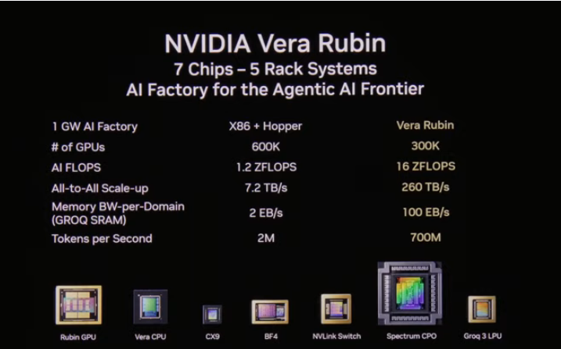
1. IT Hardware

GPUs Per Rack |  | 72

Cost Per GPU |  | $60,000

HBM Contribution |  | $4,025
HBM % of GPU Costs |  | 6.7%
Memory % of GW Scale Capex |  | 20.8%
HBM4 GB per Vera Rubin chip |  | 288
Implied Price per GB of HBM4E |  | $14.0

GPU Cost Per Rack ($M) |  | $4.32
% of Rack Cost |  | 51.2%

Other Rack Costs |  | $4.12
% of Rack Cost |  | 48.8%

Memory Contribution (Rack Level) |  | $2.3
% of GPU Costs |  | 52.7%

CPU Contribution |  | $0.2
% of GPU Costs |  | 4.6%
CPUs / Rack |  | 36
Implied Price per CPU |  | $5,500

Other Contribution |  | $1.6
% of GPU Costs |  | 38.0%

Total Rack Cost ($M) |  | $8.44

Power Required Per Rack (kW) |  | 185.0

Utilization Rate |  | 75.0%

Annual Power Per Rack (MWh) |  | 1215

Power Usage Effectiveness (PUE) |  | 1.3

Total Power Per Rack (MWh) |  | 1,580

Power Cost ($/MWh), Including T&D |  | $110

Total Annual Power Cost Per Rack |  | $173,809

Power Used by GPUs (MW) |  | 769
Number of GPUs Required |  | 299,376
Number of Racks |  | 4,158

Total Cost of the GPUs ($M) |  | $17,963
Total Cost of GPU/Racks ($M) |  | $35,092
Annual Power Costs ($M) |  | $723

Annual Power Costs as % of GPU Cost |  | 4.0%

2. Powered Shell, Mechanical, Electrical, Labor, Materials
Cost per MW ($M) |  | $16
MW |  | 1,000
Cost of Powered Shell, Mechanical, Electrical, Labor, Materials ($M) |  | $16,200

3. Total Estimated Data Center Cost
Total Data Center Costs ($M) |  | $51,292
Cost Per Megawatt |  | $51

Rental rates
Silicon Data |  | Spot
 | SDB200RT | 5.65
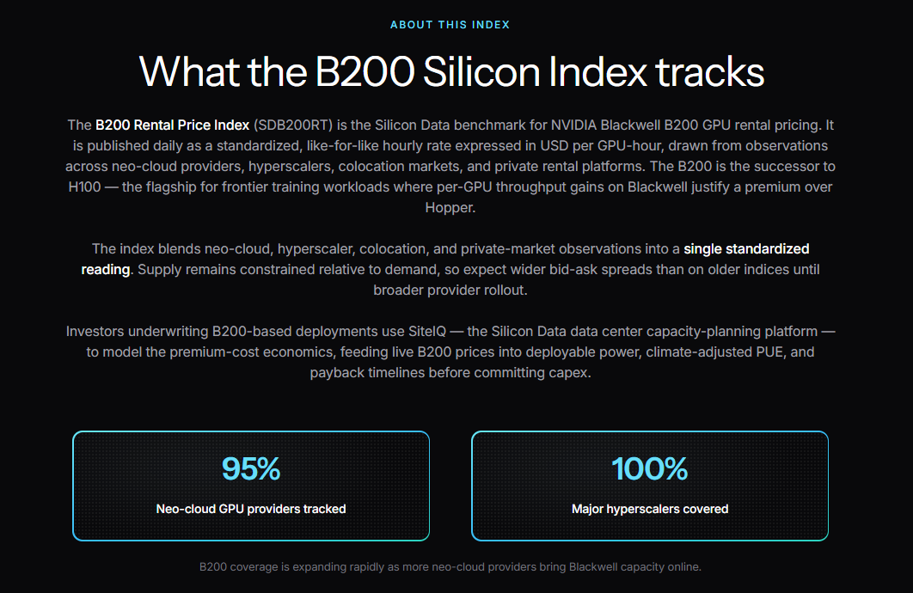

AWS

Google

MSFT

Coreweave

Nebius

Token volume
 | FY24 | FY25 | FY26
Open weight models

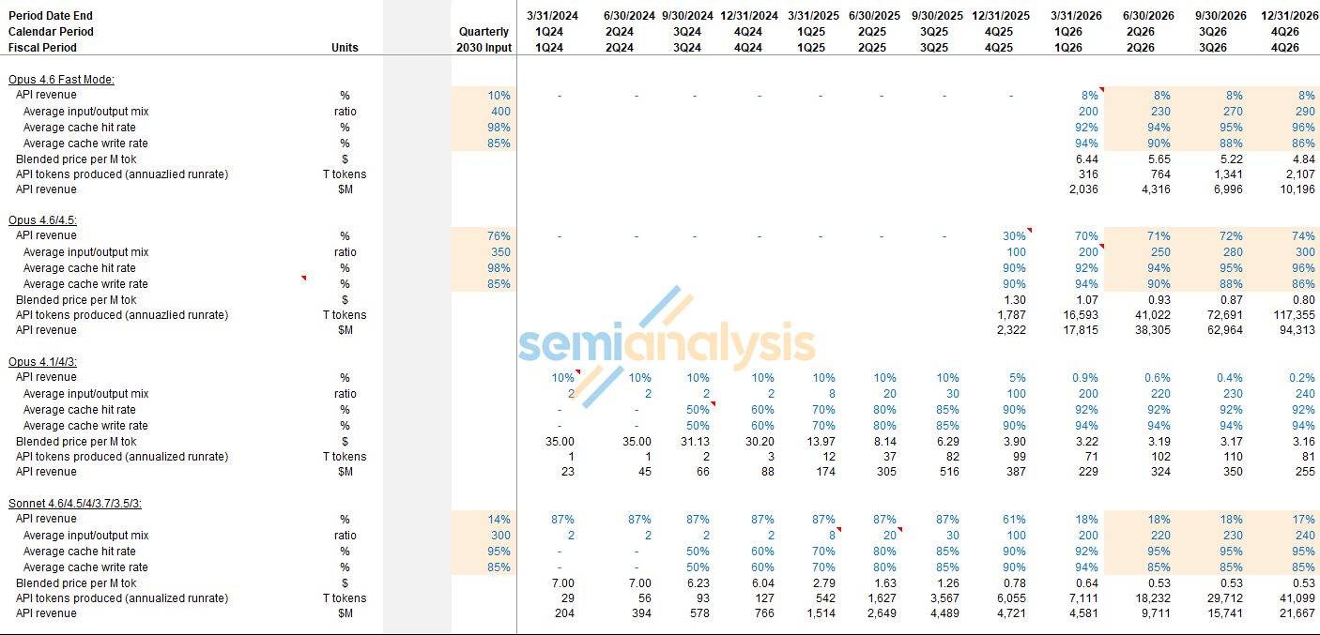

Frontier

Token throughput matrix
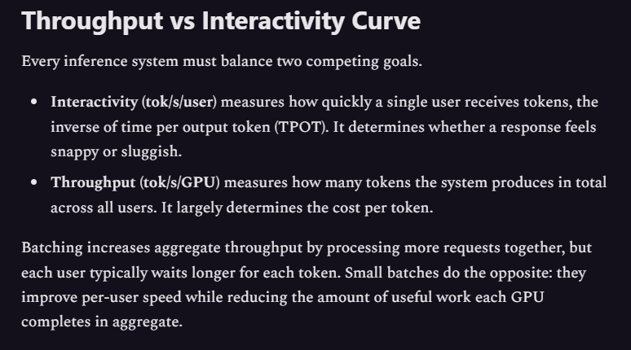
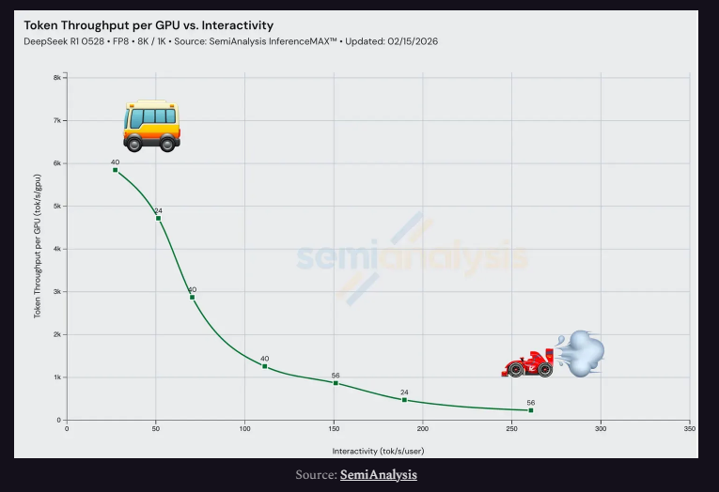
TPS |  |  | Models
 |  | Deepseek R1
 | GB300/200 Units | 2644
 | Vera Rubin Units
 | Rubin Ultra Units
 | B200 Units
Chips | Trn2 Units
 | Trn3 Units
 | Trn4 Units
 | TPUv6
 | TPUv7
 | TPUv8/v9/v10

Model unit economics
 |  |  | Year 1 | Year 2 | Year 3 | Year 4 | Year 5
Leading edge model

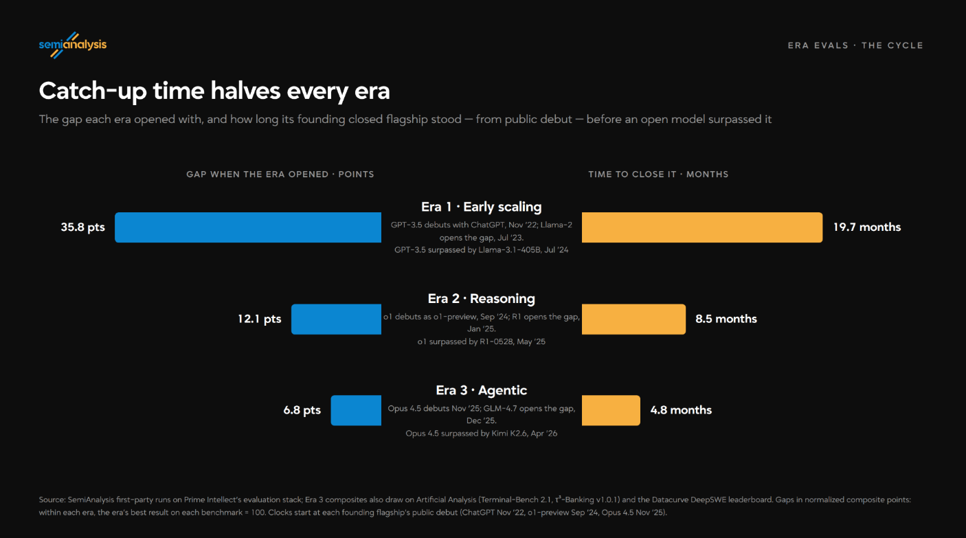
Tokens per second |  |  | 500 | 1500 | 3000 | 3000 | 3000 | Are Open Models Catching Up?
Seconds per year |  |  | 31536000 | 31536000 | 31536000 | 31536000 | 31536000
Tokens per year (millions) |  |  | 15,768 | 47,304 | 94,608 | 94,608 | 94,608
Blended token price |  |  | $5.00 | $1.50 | $0.45 | $0.45 | $0.45
Utilisation |  |  | 60% | 60% | 60% | 60% | 60%
Token revenue per chip |  |  | 47,304 | 42,574 | 25,544 | 25,544 | 25,544
Blackwells |  |  | 444,444 | 444,444 | 444,444 | 444,444 | 444,444
Annual revneue (bn) |  |  | 21.02 | 18.92 | 11.35 | 11.35 | 11.35

Lagging edge model
Tokens per second |  |  | 1500 | 3000 | 3000 | 3000 | 3000
Seconds per year |  |  | 31536000 | 31536000 | 31536000 | 31536000 | 31536000
Tokens per year (millions) |  |  | 47,304 | 94,608 | 94,608 | 94,608 | 94,608
Blended token price |  |  | $1.00 | $0.45 | $0.45 | $0.45 | $0.45
Utilisation |  |  | 60% | 60% | 60% | 60% | 60%
Token revenue per chip |  |  | 28,382 | 25,544 | 25,544 | 25,544 | 25,544
Blackwells |  |  | 444,444 | 444,444 | 444,444 | 444,444 | 444,444
Annual revneue (bn) |  |  | 12.61 | 11.35 | 11.35 | 11.35 | 11.35

Openweight model
Tokens per second |  |  | 3000 | 3000 | 3000 | 3000 | 3000
Seconds per year |  |  | 31536000 | 31536000 | 31536000 | 31536000 | 31536000
Tokens per year (millions) |  |  | 94,608 | 94,608 | 94,608 | 94,608 | 94,608
Blended token price |  |  | $0.45 | $0.45 | $0.45 | $0.45 | $0.45
Utilisation |  |  | 60% | 60% | 60% | 60% | 60%
Token revenue per chip |  |  | 25,544 | 25,544 | 25,544 | 25,544 | 25,544
Blackwells |  |  | 444,444 | 444,444 | 444,444 | 444,444 | 444,444
Annual revneue (bn) |  |  | 11.35 | 11.35 | 11.35 | 11.35 | 11.35

Example token split
Leading edge model |  |  | 20% | 20% | 20% | 20% | 20%
Lagging edge model |  |  | 10% | 10% | 10% | 10% | 10%
Openweight model |  |  | 70% | 70% | 70% | 70% | 70%

Token dummy |  |  | 1,000 | 1,000 | 1,000 | 1,000 | 1,000

Leading edge model |  |  | 200.00 | 200.00 | 200.00 | 200.00 | 200.00
Lagging edge model |  |  | 100.00 | 100.00 | 100.00 | 100.00 | 100.00
Openweight model |  |  | 700.00 | 700.00 | 700.00 | 700.00 | 700.00

Revenue multiplier
Leading edge model |  |  | 1111% | 333% | 100% | 100% | 100%
Lagging edge model |  |  | 222% | 100% | 100% | 100% | 100%
Openweight model |  |  | 100% | 100% | 100% | 100% | 100%

Implied revenue split
Leading edge model |  |  | 2,222 | 667 | 200 | 200 | 200
Lagging edge model |  |  | 222 | 100 | 100 | 100 | 100
Openweight model |  |  | 700 | 700 | 700 | 700 | 700
 |  |  | 3,144 | 1,467 | 1,000 | 1,000 | 1,000

Leading edge model |  |  | 71% | 45% | 20% | 20% | 20%
Lagging edge model |  |  | 7% | 7% | 10% | 10% | 10%
Openweight model |  |  | 22% | 48% | 70% | 70% | 70%

Implied revenue split
Leading edge model |  |  | 4.20 | 3.78 | 2.27 | 2.27 | 2.27
Lagging edge model |  |  | 1.26 | 1.14 | 1.14 | 1.14 | 1.14
Openweight model |  |  | 7.95 | 7.95 | 7.95 | 7.95 | 7.95
Total |  |  | 13.41 | 12.87 | 11.35 | 11.35 | 11.35

Leading edge model |  |  | 31.3% | 29.4% | 20.0% | 20.0% | 20.0%
Lagging edge model |  |  | 9.4% | 8.8% | 10.0% | 10.0% | 10.0%
Openweight model |  |  | 59.2% | 61.8% | 70.0% | 70.0% | 70.0%

Implied rental rate per hour ($) |  |  | $4.31 | $4.13 | $3.64 | $3.64 | $3.64

IRR | 7% | -44,769 | 12,107 | 11,560 | 10,046 | 10,046 | 10,046

OpenAI
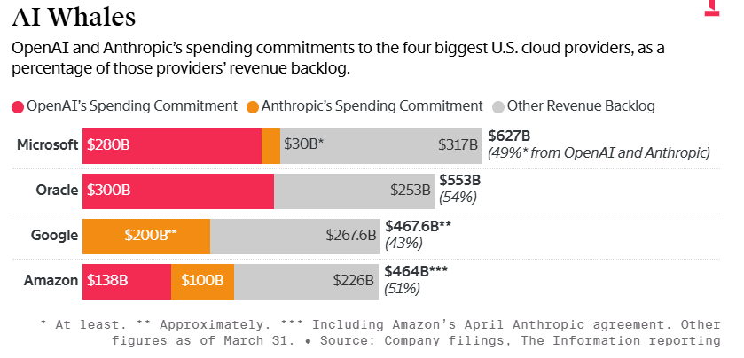
 |  | 2024 | 2025 | 2026 | 2027 | 2028 | 2029 | 2030
Capacity (GW)
 | Amazon NVDA |  |  |  | 0.7 | 0.7 | 0.7 | 0.7
 | Amazon Trainium |  |  |  | 2.0 | 2.0 | 2.0 | 2.0
 | Oracle NVDA |  |  |  | 4.0 | 4.5 | 4.5 | 4.5
 | Microsoft NVDA |  |  |  | 5.0 | 5.0 | 5.0 | 5.0
 | Other |  |  |  | - | - | - | -
Total |  |  |  | 3.0 | 11.7 | 12.2 | 12.2 | 12.2

Allocation
 | Leading edge |  | 10% | 10% | 30% | 10% | 10% | 10%
 | Lagging edge |  | 10% | 10% | 10% | 10% | 10% | 10%
 | Open weight |  | 60% | 60% | 40% | 60% | 60% | 60%
 | Training |  | 20% | 20% | 20% | 20% | 20% | 20%

Revenue
 | Leading edge |  |  |  | 73,637
 | Lagging edge |  |  |  | 14,727
 | Open weight |  |  |  | 53,018
Total |  |  |  |  | 141,382

Costs
 | Amazon |  |  | - | 17,929 | 17,929 | 17,929 | 17,929
 | Oracle |  | - | 22,222 | 44,444 | 50,000 | 50,000 | 50,000
 | Microsoft |  |  | 41,667 | 41,667 | 41,667 | 41,667 | 41,667
 | Other
Total |  |  |  | 63,889 | 104,040 | 109,595 | 109,595 | 109,595
 |  |  |  |  | 37,343
Blackwell |  |  |  | 444,444
Rental rate |  |  |  | 5.65
Hours per year |  |  |  | 8760
Rental cost ($m) |  |  |  | 21,997

Openweight model
Tokens per second |  |  |  | 10000
Seconds per year |  |  |  | 31536000
Tokens per year (millions) |  |  |  | 315,360
Blended token price |  |  |  | $2.00
Token revenue per chip |  |  |  | 630,720
Blackwells |  |  |  | 444,444
Annual revneue (bn) |  |  |  | 280.32

